1. Title Page
[Instacart Grocery Basket Analysis]

Project Name: Instacart Grocery Basket Analysis
Date: 16.03.2024
Analyst Name: Christina Wiebe

Contents:
Population Flow
Consistency checks
Wrangling steps
Column derivations
Visualizations
Recommendations

The Instacart Online Grocery Shopping Dataset 2017”, Accessed from www.instacart.com/datasets/grocery-shopping-2017 via Kaggle on [01.03.2024].
The customer data set as well as the "prices" column in the original data set were fabricated for the purpose of this course.

2. Population Flow
Title page

Population flow

Exclusion flag
Condition: max_order < 5
Obervations to be removed: 1.440.295
Final total count of order_products_all: 30.964.564

Orders_products_combined
Orders_products_merged
Orders_products_all

Total: 32.404.859
Total: 32.434.489
Total: 32.404.859

1.) The grey boxes in the first row of the population flow represent the original data sets as they were when you downloaded them. In the Total fields you need to add the count of the rows when you imported the data set into Jupyter.
2.) The second row of boxes (coloured) represents the data sets after you manipulated them, e.g., removed missing values and duplicates. In the Total fields you need to add the count of the rows after conducting these operations. This offers a visual oveview of how the data flows throughout the data consistency checks.
3.) The third row, where also the arrows are coloured, represents the merges you performed between the datasets. In the Total fields you need to add the count of the rows in the merged datasets, so that you end up with the final dataset (in the red box). Keep in mind the final dataset should be without exclusions (based on the exclusion flag).

3. Consistency checks
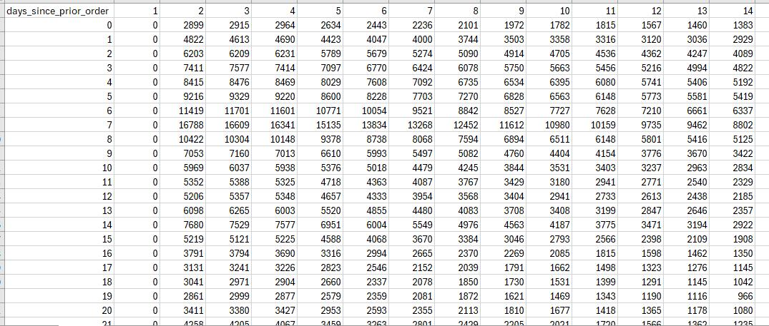
 |  |  |  | Title page
Consistency checks

Dataset | Missing values | Missing values treatment | Duplicates
orders | 206.209 missing values in "days_since_prior_order" column. | Missing values were left in the data set. The screenshot below shows that the column for day 1 of "days_since_prior_order" consists of only 0 because there can be no prior order before day 1. | No duplicates could be found.
products | 16 missing values in the product_name column. 2 values in the "prices" column were too high and therefore turned into missing values. | Created new subset without the 16 missing values. The 2 missing values in the "prices" column were left in the data set. | 5 duplicates --> deleted.
orders_products_prior | No missing values. |  | No duplicates could be found.
customers | No missing values. |  | No duplicates could be found.
departments | No missing values. |  | No duplicates could be found.

4. Wrangling steps
 |  |  |  | Title page
Wrangling steps

Columns dropped | Columns renamed | Columns' type changed | Comment/Reason
orders.eval_set |  |  | Irrelevant for this project
 | orders.orders_dow |  | Unintuitive name, renamed to "orders_day_of_week".
 |  | orders.order_id | Not neded for numerical analysis, changed to string.
 |  | orders.user_id | Not neded for numerical analysis, changed to string.
customers.date_joined |  |  | Irrelevant for this project.
customer.First Name |  |  | PII, not needed for analysis.
customer.Surnam |  |  | PII, not needed for analysis.
 | customers.Gender |  | Renamed to "gender" to follow the usual naming convention.
 | customers.STATE |  | Renamed to "state" to follow the usual naming convention.
 | customers.Age |  | Renamed to "age" to follow the usual naming convention.
 |  | customers.user_id | Not neded for numerical analysis, changed to string.

5. Column derivations
 |  |  |  |  | Title page

Column derivations and aggregations

Dataset | New column | Column/s it was derived from | Conditions | Python code
orders_products_all | price_range | prices | Low range product: products up to and including $5 Mid range product: products $6 - $15 High range product: products from $16 and up | merged_all.loc[merged_all['prices'] > 15, 'price_range_flag'] = 'High range product' merged_all.loc[(merged_all['prices'] <= 15) & (merged_all['prices'] > 5), 'price_range_flag'] = 'Mid range product' merged_all.loc[merged_all['prices'] <= 5, 'price_range_flag'] = 'Low range product'
 | busiest_day_flag | orders_day_of_week | Busiest day: Saturday Least busiest day: Wednesday Regularly busy: every other day | result = [] for value in merged_all["orders_day_of_week"]: if value == 0: result.append("Busiest day") elif value == 4: result.append("Least busy") else: result.append("Regularly busy")
 | busiest_period_flag | order_hour_of_day | Most orders: 10h - 16h Fewest orders: 2h - 5h | result2 = [] for value in merged_all["order_hour_of_day"]: if value in [10, 11, 12, 13, 14, 15, 16]: result2.append("Most orders") elif value in [2, 3, 4, 5]: result2.append("Fewest orders") else: result2.append("Average orders")
 | loyalty_flag | max_order | Loyal customer: more than 40 orders total Regular customer: 11 - 40 orderst total New customer: 10 orders or less total | merged_all.loc[merged_all['max_order'] > 40, 'loyalty_flag'] = 'Loyal customer' merged_all.loc[(merged_all['max_order'] <= 40) & (merged_all['max_order'] > 10), 'loyalty_flag'] = 'Regular customer' merged_all.loc[merged_all['max_order'] <= 10, 'loyalty_flag'] = 'New customer'
 | spending_flag | avg_spending | Low spender: less than $10 in average spending High spender: $10 or more in average spending | merged_all.loc[merged_all['avg_spending'] < 10, 'spending_flag'] = 'Low spender' merged_all.loc[merged_all['avg_spending'] >= 10, 'spending_flag'] = 'High spender'
 | frequency flag | median_days_since_prior_order | Non-frequent customer: a median of more than 20 days between orders Regular customer: a median of 11 - 20 days between orders Frequent customer: a median of 10 or less days between orders | merged_all.loc[merged_all['median_days_since_prior_order'] > 20, 'frequency_flag'] = 'Non-frequent customer' merged_all.loc[(merged_all['median_days_since_prior_order'] > 10) & (merged_all['median_days_since_prior_order'] <= 20), 'frequency_flag'] = 'Regular customer' merged_all.loc[merged_all['median_days_since_prior_order'] <= 10, 'frequency_flag'] = 'Frequent customer'

6. Visualizations
 |  |  | Title page

Visualisations

1. What are the busiest days of the week?

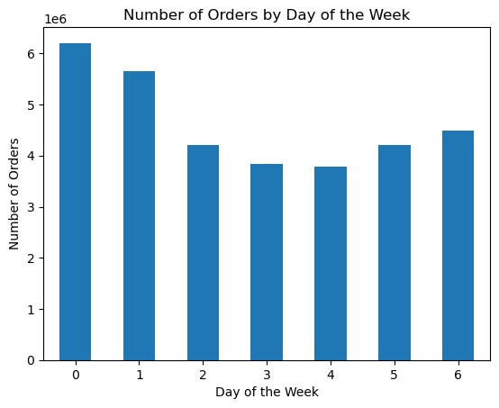

 | The busiest days of the week are saturday and sunday, the lease busiest are tuesday and wednesday.

2. What are the busiest hours of the day?

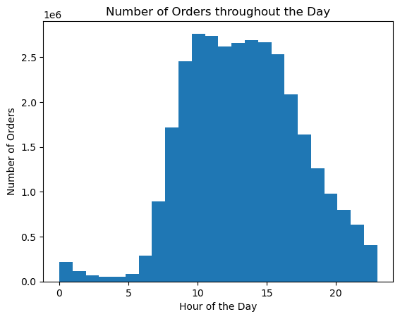
 | The busiest hours of the day are 10h - 16h, the least busiest are 2h - 5h.

3. Are there particular times of the day when people spend the most money?

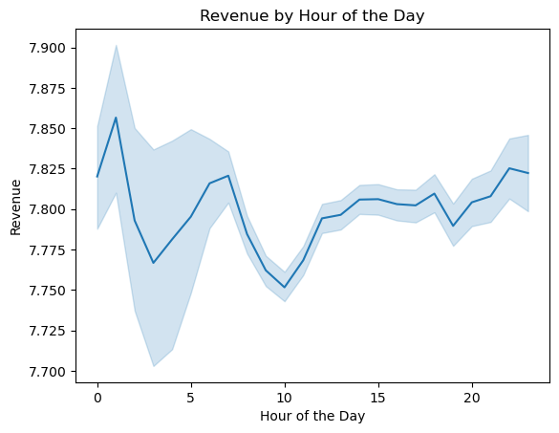
 | The most money is being spend at around 3 or 4 in the morning, the least is being spend at 10 am. But there are fluctuations throughout the day.

4. Are there certain types of products that are more popular than others?

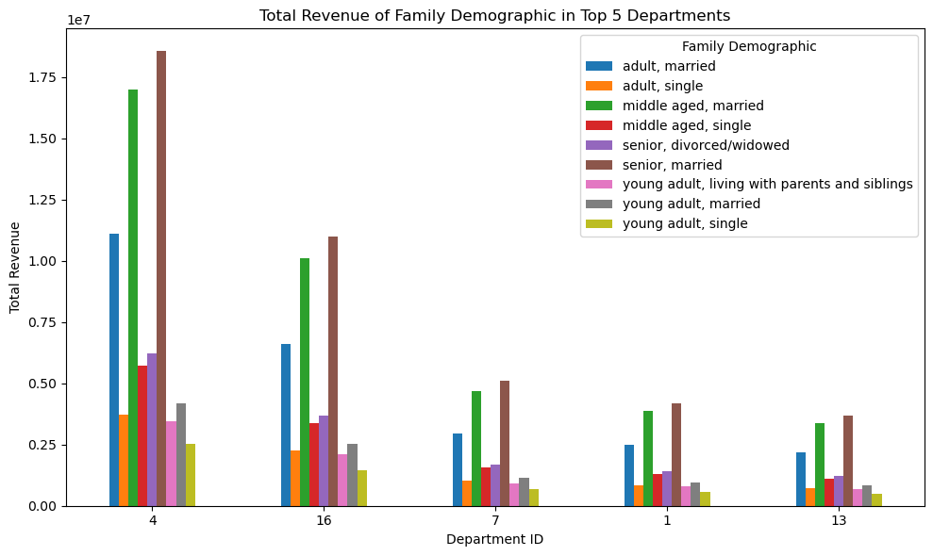

 | The top 5 departments that generated the most revenue are, from left to right, "produce", "dairy/eggs", "beverages", "frozen" and "pantry".

5. What's the distribution among users in regards to brand loyalty (i.e., how often do they return to Instacart)?

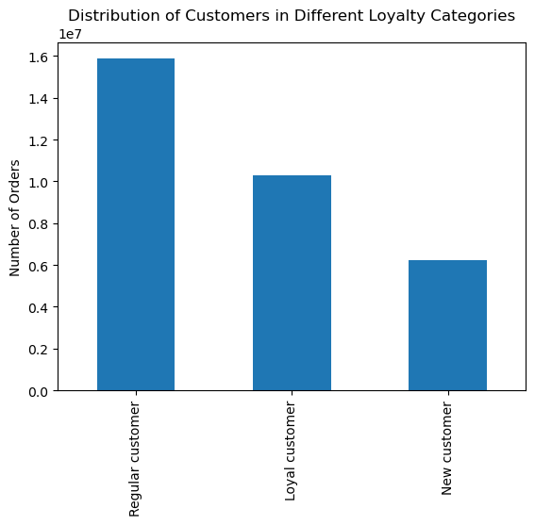

 | Most orders are done by people who fall into the category of "Regular customer". New customers are responsible for the least amount of orders.

6. Are there differences in ordering habits based on a customer's loyalty status?

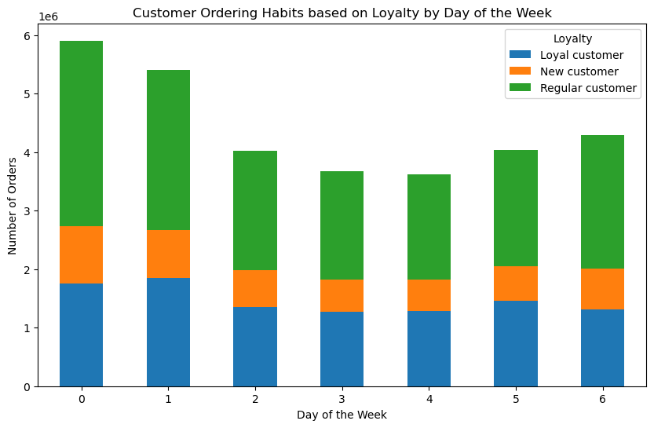
 | Most orders are placed by customers who fall into the "Regular Customer" category on saturday and sunday. New customers place the least orders but they also follow the same pattern of placing more orders on the weekend than during the week.

7. Are there differences in ordering habits based on a customer's region?

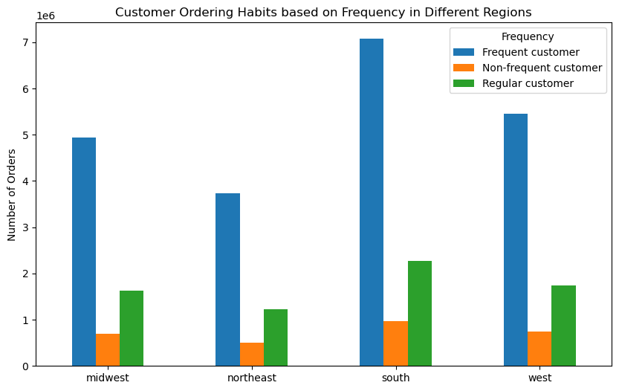

 | In all the different regions, most orders are placed by customers who fall into the "Frequent Customer" category, followed by regular customers and then new customers. Customers in the south place by far the most orders.

8. Is there a connection between age and family status in terms of ordering habits?

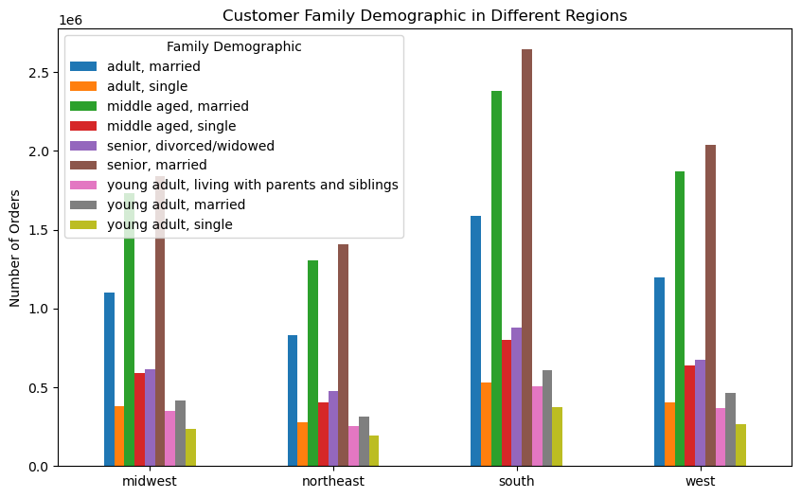
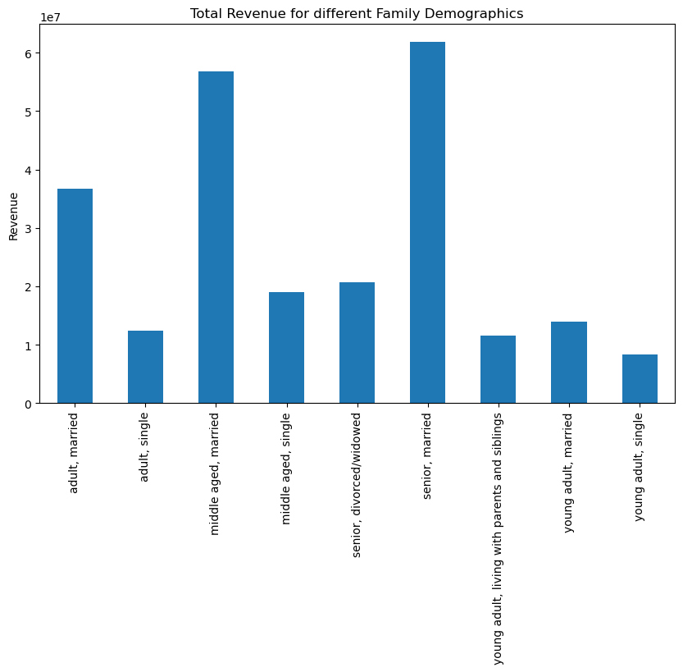
 |  | For every age group, most orders are placed by married people and they are also spending more money through Instacart than their single counterparts. Furthermore, all the different groups are more active on the weekends than they are during the week.

7. Recommendations
 |  | Title page

Recommendations

Question | Answer
1. What are the busiest days of the week? | The busiest days of the week are saturday and sunday. So if the sales team wants to schedule ads at times when there are fewer oders, they should do so during the week but especially on tuesday and wednesday as these are the least busy days
2. What are the busiest hours of the day? 3. Are there particular times of the day when people spend the most money? | The busiest hours of the day are 10h - 16h which is already a big part of the day with 2h-5h being the least busiest. Generally, it is to be expected that people are asleep at this time and therefore fewer orders will be placed. Placing ads at those least busy hours would therefore not be recommended, except for the fact, that the hours with the highest revenue are 3h or 4h in the morning. This window could be used for targeted ads.
4. Are there certain types of products that are more popular than others? | The top 5 departments that generated the most revenue are, from left to right, "produce", "dairy/eggs", "beverages", "frozen" and "pantry".
5. What's the distribution among users in regards to brand loyalty (i.e., how often do they return to Instacart)? | Most orders are placed by regular customers, the least by new customers. Encourage new customers to become regular customers through special offers for new customers. Encourage regular customers to become loyal customers by rewarding frequent purchases and the prospect of special offers when they reach the "Loyal Customer" status.
6. Are there differences in ordering habits based on a customer's loyalty status? | There are no differences based on a customer's loyalty status. The most orders are placed on the weekend and the least orders during the week. The loyalty status does not play any role in this.
7. Are there differences in ordering habits based on a customer's region? | Most orders are placed by frequent customers, which means that the time between two orders is 10 days or less. This is followed by regular customers and then non-frequent customers with there being no difference in region. But the most orders by far are placed in the south. Therefore it is recommended to reward customers from the south to retain them while also directing more ads towards the other regions so more orders can be placed from there. Especially the northeast as the fewest orders come form there.
8. Is there a connection between age and family status in terms of ordering habits? | Most orders are placed by married people, especially from middle-aged and senior people. So to gain new customers, the recommendation is to target ads directly at this demographic. At the same time, new strategies should be tested to find a way to gain more young adult customers and also more single customers as these two groups are responsible for the least amounts of orders.

